Compare Annual Visitation
Compare Annual Visitation: 1980 to 2023

This report will not correctly export to CSV. Please export to Excel, Word, or PDF if you wish to save this report.

 | 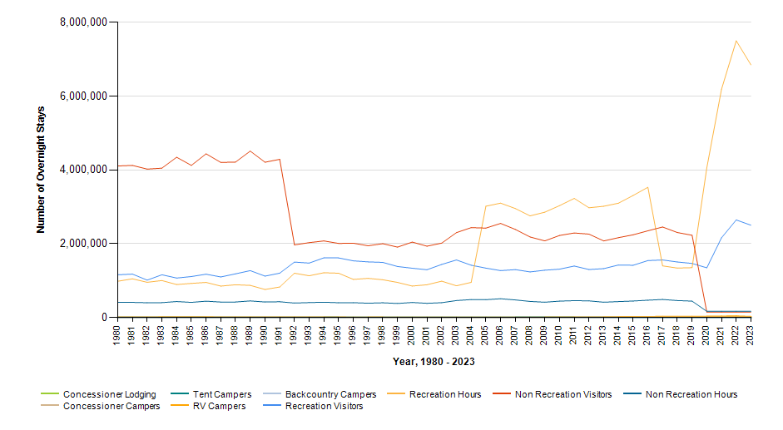

 |  | Year | Concessioner Lodging | Concessioner Campers | Tent Campers | RV Campers | Backcountry Campers | Recreation Visitors | Recreation Visitor Hours | Non Recreation Visitors | Non Recreation Visitor Hours
 |  | 2023 | 0 | 0 | 28 | 22,062 | 0 | 2,502,967 | 6,849,394 | 150,504 | 171,574
 |  | 2022 | 0 | 0 | 633 | 35,741 | 0 | 2,646,133 | 7,501,578 | 150,800 | 171,912
 |  | 2021 | 0 | 0 | 1,179 | 31,469 | 0 | 2,162,884 | 6,189,943 | 149,986 | 170,983
 |  | 2020 | 0 | 0 | 3,190 | 27,217 | 0 | 1,348,215 | 4,059,569 | 148,205 | 168,950
 |  | 2019 | 0 | 0 | 1,455 | 24,251 | 0 | 1,467,153 | 1,352,979 | 2,231,219 | 446,244
 |  | 2018 | 0 | 0 | 1,233 | 22,712 | 0 | 1,506,887 | 1,341,461 | 2,306,072 | 461,216
 |  | 2017 | 0 | 0 | 1,467 | 22,543 | 0 | 1,561,616 | 1,401,560 | 2,455,528 | 491,105
 |  | 2016 | 0 | 0 | 3,706 | 20,315 | 0 | 1,544,300 | 3,530,802 | 2,352,769 | 470,554
 |  | 2015 | 0 | 0 | 4,735 | 19,413 | 0 | 1,418,162 | 3,310,306 | 2,243,425 | 448,684
 |  | 2014 | 0 | 0 | 3,901 | 15,705 | 0 | 1,424,484 | 3,099,890 | 2,165,801 | 433,162
 |  | 2013 | 0 | 0 | 4,273 | 10,827 | 0 | 1,325,719 | 3,017,166 | 2,077,424 | 415,485
 |  | 2012 | 0 | 0 | 3,050 | 6,938 | 0 | 1,302,505 | 2,976,518 | 2,262,240 | 452,449
 |  | 2011 | 0 | 0 | 4,570 | 9,373 | 0 | 1,396,354 | 3,229,927 | 2,292,692 | 458,538
 |  | 2010 | 0 | 0 | 4,086 | 8,323 | 0 | 1,311,807 | 3,034,292 | 2,225,873 | 445,176
 |  | 2009 | 0 | 0 | 4,597 | 5,018 | 0 | 1,284,707 | 2,856,583 | 2,079,230 | 415,846
 |  | 2008 | 0 | 0 | 4,771 | 1,693 | 0 | 1,238,147 | 2,757,018 | 2,184,030 | 436,807
 |  | 2007 | 0 | 0 | 3,990 | 2,295 | 0 | 1,300,152 | 2,955,784 | 2,388,253 | 477,650
 |  | 2006 | 0 | 0 | 3,175 | 2,975 | 0 | 1,273,456 | 3,101,429 | 2,551,874 | 510,372
 |  | 2005 | 0 | 0 | 3,175 | 2,975 | 0 | 1,340,160 | 3,018,664 | 2,425,492 | 485,100
 |  | 2004 | 0 | 0 | 3,088 | 2,815 | 0 | 1,418,735 | 954,543 | 2,437,800 | 487,559
 |  | 2003 | 0 | 0 | 3,481 | 2,824 | 0 | 1,561,311 | 862,050 | 2,303,244 | 460,649
 |  | 2002 | 0 | 0 | 3,072 | 2,988 | 0 | 1,440,227 | 986,675 | 2,018,238 | 403,647
 |  | 2001 | 0 | 0 | 2,968 | 2,564 | 0 | 1,296,786 | 889,727 | 1,934,979 | 386,995
 |  | 2000 | 0 | 0 | 1,591 | 2,070 | 0 | 1,338,156 | 853,651 | 2,046,363 | 409,272
 |  | 1999 | 0 | 0 | 3,152 | 3,671 | 0 | 1,384,469 | 952,329 | 1,909,508 | 381,902
 |  | 1998 | 0 | 0 | 3,131 | 4,019 | 0 | 1,495,993 | 1,025,275 | 2,001,989 | 400,397
 |  | 1997 | 0 | 0 | 3,141 | 4,711 | 0 | 1,509,596 | 1,062,214 | 1,946,542 | 389,309
 |  | 1996 | 0 | 0 | 2,202 | 3,081 | 0 | 1,538,105 | 1,034,237 | 2,015,452 | 403,092
 |  | 1995 | 0 | 0 | 4,812 | 6,155 | 0 | 1,617,077 | 1,202,676 | 2,009,166 | 401,831
 |  | 1994 | 0 | 0 | 4,168 | 6,674 | 0 | 1,618,847 | 1,215,522 | 2,077,830 | 415,566
 |  | 1993 | 0 | 0 | 3,466 | 7,285 | 0 | 1,477,299 | 1,132,941 | 2,031,206 | 406,242
 |  | 1992 | 0 | 0 | 4,117 | 7,971 | 0 | 1,504,013 | 1,201,840 | 1,970,820 | 394,165
 |  | 1991 | 0 | 0 | 3,338 | 6,904 | 0 | 1,203,929 | 828,495 | 4,289,688 | 428,966
 |  | 1990 | 0 | 0 | 2,353 | 6,095 | 0 | 1,123,175 | 760,930 | 4,210,840 | 421,081
 |  | 1989 | 0 | 0 | 2,912 | 7,553 | 0 | 1,272,771 | 872,041 | 4,511,933 | 451,189
 |  | 1988 | 0 | 0 | 3,626 | 9,554 | 0 | 1,185,772 | 889,032 | 4,215,331 | 421,528
 |  | 1987 | 0 | 0 | 3,738 | 8,767 | 0 | 1,101,242 | 853,032 | 4,205,101 | 420,509
 |  | 1986 | 0 | 0 | 4,006 | 11,392 | 0 | 1,175,170 | 952,519 | 4,438,740 | 443,850
 |  | 1985 | 0 | 0 | 4,571 | 11,775 | 0 | 1,112,764 | 926,371 | 4,124,841 | 412,449
 |  | 1984 | 0 | 0 | 4,311 | 10,980 | 0 | 1,071,853 | 894,971 | 4,345,195 | 434,516
 |  | 1983 | 0 | 0 | 4,596 | 12,242 | 0 | 1,160,008 | 1,003,086 | 4,049,243 | 404,921
 |  | 1982 | 0 | 0 | 1,774 | 6,237 | 0 | 1,015,580 | 955,452 | 4,024,157 | 402,413
 |  | 1981 | 0 | 0 | 2,069 | 6,658 | 0 | 1,177,911 | 1,049,670 | 4,124,083 | 412,402
 |  | 1980 | 0 | 0 | 1,486 | 5,975 | 0 | 1,160,588 | 983,797 | 4,109,050 | 410,515

